1
 | FURUKAWA AUTOMOTIVE SYSTEMS LIMA PHILIPPINES, INC. |  |  |  |  | Employee Management System Work Instructions |  |  |  |  |  | DOCUMENT TYPE: | WORK INSTRUCTION | PAGE NO.: | 1
 |  |  |  |  |  |  |  |  |  |  |  | DOCUMENT NO.: | REVISION NO.: | EFFECTIVITY DATE:
 |  |  |  |  |  |  |  |  |  |  |  | 1 | 0
CAR MODEL |  | MATERIALS |  |  |  |  |  | DEVICES / EQUIPMENT USED |  |  | REFERENCE
N/A |  | Computer Application |  |  |  |  |  | Computer |  |  | N/A

FORMS |  |  |  |  | PURPOSE |  |  |  | SCOPE
 |  |  |  |  | To provide a work instructions on how to time in and time out using the Employee Management System |  |  |  | To detail the process on how to time in and time out using the Employee Management System

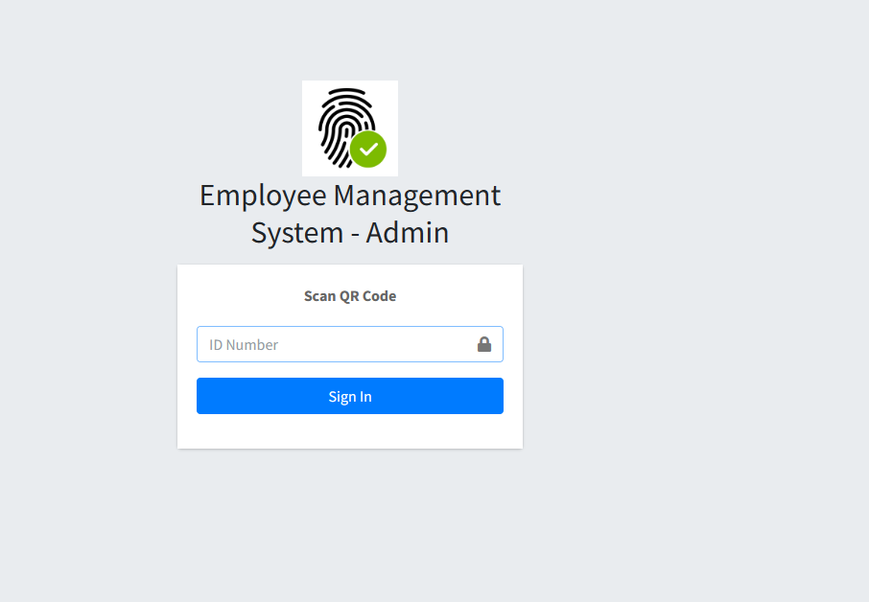

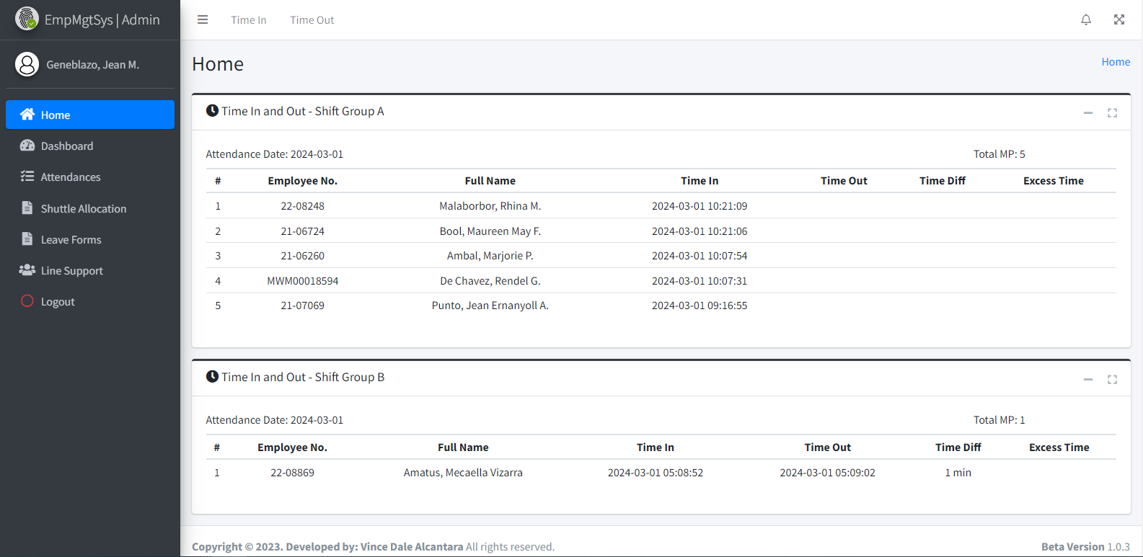
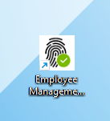
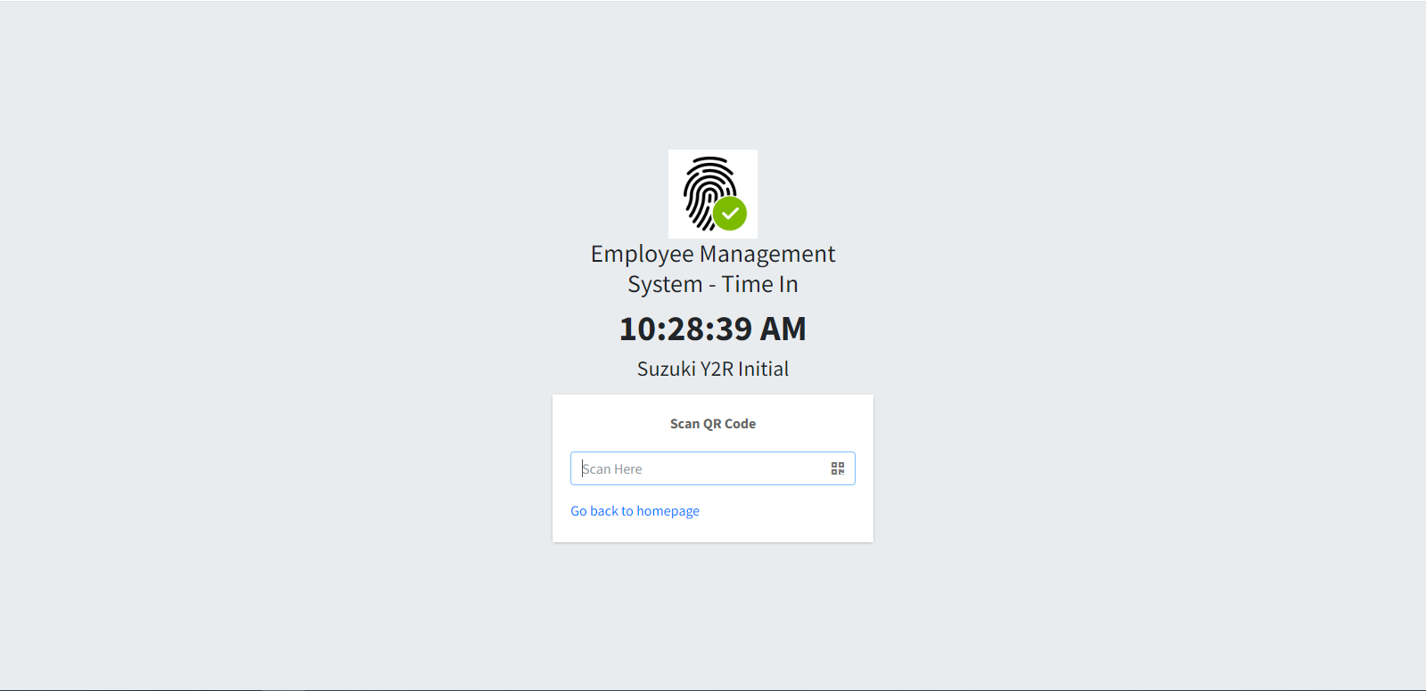
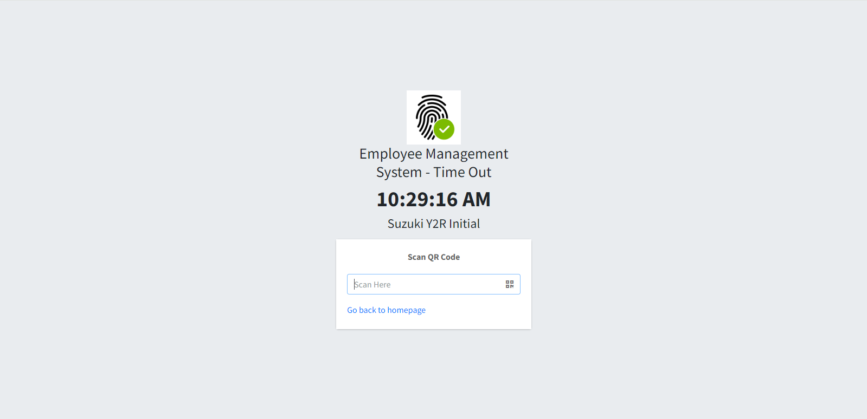
Get started by going to your dektop and look for your Employee Management System Logo.
URL : http://172.25.116.188:3000/emp_mgt/admin/
1
Click the 'Time In' menu from the top navigation bar.
3
Click the 'Time Out' menu in the top navigation bar.
5
Time In
Time Out
Login to Employee Management System - Admin on a registered computer by scanning QR Code of PIC (Expert, Jr. Staff, Staff, Supervisor) to access the system.
2
Click on the input field to focus, and use a barcode scanner to scan the employee's QR Code to record their time in.
4
Click on the input field to focus, and use a barcode scanner to scan the employee's QR Code to record their time out.
6

 |  |  |  |  |  |  |  |  |  | Amazon.com: Ethernet Cable Labels

 |  |  |  |  |  |  |  |  |  |  |  |  |  |  |  | s

0
DR/CN No. |  |  | Revision No. | Effectivity Date |  |  | Details of change
 |  |  | 0 |  |  |  | First Issue

